Palmer_2013
Palmer & Cooper (2013) - United Kingdom housing energy fact file
https://assets.publishing.service.gov.uk/government/uploads/system/uploads/attachment_data/file/345141/uk_housing_fact_file_2013.pdf

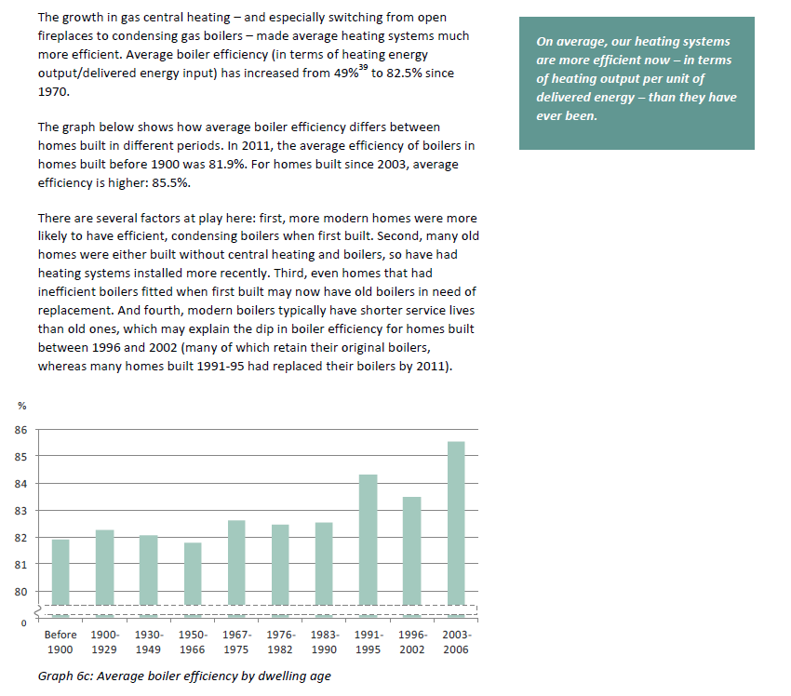
Year | Machine | Efficiency [%]
1970 | Gas boiler | 49.00%

Weiss_2008
Weiss et al (2008) - Learning energy efficiency experience curves for houshold appliances and space heating, cooling, and lighting technologies
http://dspace.library.uu.nl/handle/1874/32937

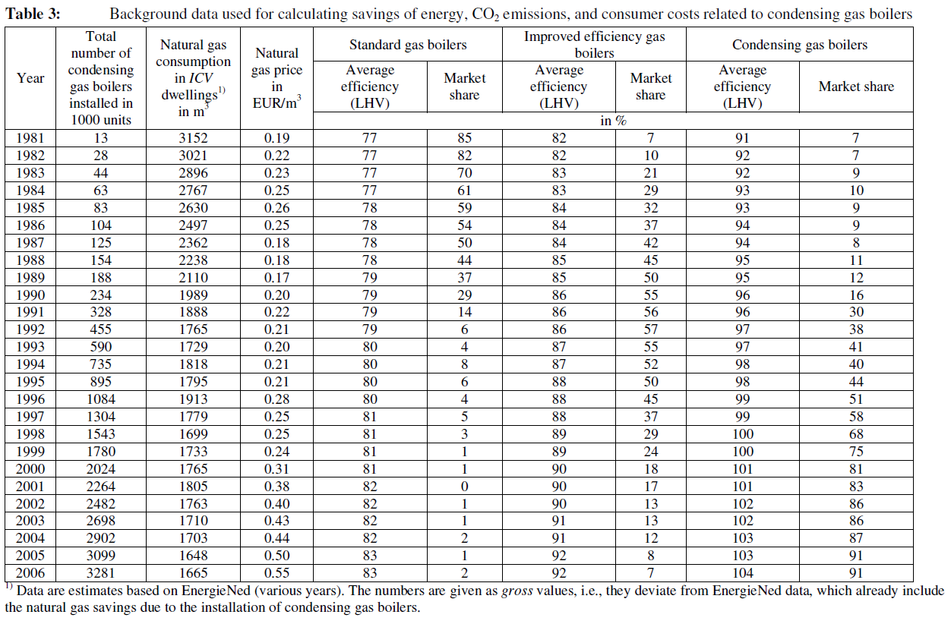
 | Total number of | Natural gas | Natural | Standard gas | boilers | Improved efficiency boilers | gas | Condensing | gas boilers
Year | condensing gas boilers installed in | consumption in ICV dwellings in 3 | gas price in EUR/m³ | Average efficiency (LHV) | Market share | Average efficiency (LHV) | Market share | Average efficiency (LHV) | Market share
 | 1000 units | m |  |  |  | in | %
1981 | 13.00 | 3152.00 | 0.19 | 77.00 | 85.00 | 82.00 | 7.00 | 91.00 | 7.00
1982 | 28.00 | 3021.00 | 0.22 | 77.00 | 82.00 | 82.00 | 10.00 | 92.00 | 7.00
1983 | 44.00 | 2896.00 | 0.23 | 77.00 | 70.00 | 83.00 | 21.00 | 92.00 | 9.00
1984 | 63.00 | 2767.00 | 0.25 | 77.00 | 61.00 | 83.00 | 29.00 | 93.00 | 10.00
1985 | 83.00 | 2630.00 | 0.26 | 78.00 | 59.00 | 84.00 | 32.00 | 93.00 | 9.00
1986 | 104.00 | 2497.00 | 0.25 | 78.00 | 54.00 | 84.00 | 37.00 | 94.00 | 9.00
1987 | 125.00 | 2362.00 | 0.18 | 78.00 | 50.00 | 84.00 | 42.00 | 94.00 | 8.00
1988 | 154.00 | 2238.00 | 0.18 | 78.00 | 44.00 | 85.00 | 45.00 | 95.00 | 11.00
1989 | 188.00 | 2110.00 | 0.17 | 79.00 | 37.00 | 85.00 | 50.00 | 95.00 | 12.00
1990 | 234.00 | 1989.00 | 0.20 | 79.00 | 29.00 | 86.00 | 55.00 | 96.00 | 16.00
1991 | 328.00 | 1888.00 | 0.22 | 79.00 | 14.00 | 86.00 | 56.00 | 96.00 | 30.00
1992 | 455.00 | 1765.00 | 0.21 | 79.00 | 6.00 | 86.00 | 57.00 | 97.00 | 38.00
1993 | 590.00 | 1729.00 | 0.20 | 80.00 | 4.00 | 87.00 | 55.00 | 97.00 | 41.00
1994 | 735.00 | 1818.00 | 0.21 | 80.00 | 8.00 | 87.00 | 52.00 | 98.00 | 40.00
1995 | 895.00 | 1795.00 | 0.21 | 80.00 | 6.00 | 88.00 | 50.00 | 98.00 | 44.00
1996 | 1084.00 | 1913.00 | 0.28 | 80.00 | 4.00 | 88.00 | 45.00 | 99.00 | 51.00
1997 | 1304.00 | 1779.00 | 0.25 | 81.00 | 5.00 | 88.00 | 37.00 | 99.00 | 58.00
1998 | 1543.00 | 1699.00 | 0.25 | 81.00 | 3.00 | 89.00 | 29.00 | 100.00 | 68.00
1999 | 1780.00 | 1733.00 | 0.24 | 81.00 | 1.00 | 89.00 | 24.00 | 100.00 | 75.00
2000 | 2024.00 | 1765.00 | 0.31 | 81.00 | 1.00 | 90.00 | 18.00 | 101.00 | 81.00
2001 | 2264.00 | 1805.00 | 0.38 | 82.00 | 0.00 | 90.00 | 17.00 | 101.00 | 83.00
2002 | 2482.00 | 1763.00 | 0.40 | 82.00 | 1.00 | 90.00 | 13.00 | 102.00 | 86.00
2003 | 2698.00 | 1710.00 | 0.43 | 82.00 | 1.00 | 91.00 | 13.00 | 102.00 | 86.00
2004 | 2902.00 | 1703.00 | 0.44 | 82.00 | 2.00 | 91.00 | 12.00 | 103.00 | 87.00
2005 | 3099.00 | 1648.00 | 0.50 | 83.00 | 1.00 | 92.00 | 8.00 | 103.00 | 91.00
2006 | 3281.00 | 1665.00 | 0.55 | 83.00 | 2.00 | 92.00 | 7.00 | 104.00 | 91.00

Year | Weighted Efficiency [-]
1981 | 77.56%
1982 | 77.78%
1983 | 79.61%
1984 | 80.34%
1985 | 81.27%
1986 | 81.66%
1987 | 81.80%
1988 | 83.02%
1989 | 83.13%
1990 | 85.57%
1991 | 88.02%
1992 | 90.62%
1993 | 90.82%
1994 | 90.84%
1995 | 91.92%
1996 | 93.29%
1997 | 94.03%
1998 | 96.24%
1999 | 97.17%
2000 | 98.82%
2001 | 99.13%
2002 | 100.24%
2003 | 100.37%
2004 | 102.17%
2005 | 101.92%
2006 | 102.74%

Schipper_1991
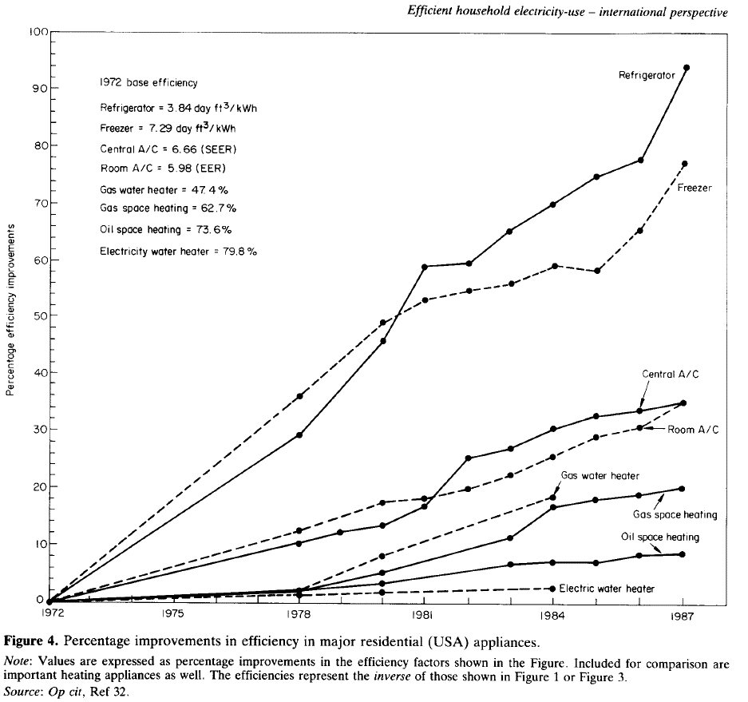
Schipper & Hawk (1991) - More efficient household electricity an international perspective
https://www.sciencedirect.com/science/article/pii/030142159190150M

Base Values |  |  |  | Refrigerator |  |  | Freezer
Year | Machine | Metric | Value | Year | % Improvement | Efficiency [day ft3/kWh] | Year | % Improvement | Efficiency [day ft3/kWh]
1972 | Refrigerator | day ft3/kWh | 3.84 | 1972 | 0.00 | 3.84 | 1972 | 0.00 | 7.29
1972 | Freezer | day ft3/kWh | 7.29 | 1973 | 5.57 | 4.05 | 1973 | 6.69 | 7.78
1972 | Central A/C | SEER | 6.66 | 1974 | 10.03 | 4.23 | 1974 | 12.92 | 8.23
1972 | Room A/C | EER | 5.98 | 1975 | 14.90 | 4.41 | 1975 | 17.97 | 8.60
1972 | Gas water heater | % | 47.40% | 1976 | 19.36 | 4.58 | 1976 | 24.37 | 9.07
1972 | Gas space heater | % | 62.70% | 1977 | 24.10 | 4.77 | 1977 | 30.08 | 9.48
1972 | Oil space heater | % | 73.60% | 1978 | 29.94 | 4.99 | 1978 | 35.93 | 9.91
1972 | Electric water heater | % | 79.80% | 1979 | 36.21 | 5.23 | 1979 | 41.92 | 10.35
 |  |  |  | 1980 | 46.38 | 5.62 | 1980 | 48.89 | 10.85
 |  |  |  | 1981 | 59.05 | 6.11 | 1981 | 52.79 | 11.14
 |  |  |  | 1982 | 59.47 | 6.12 | 1982 | 54.88 | 11.29
 |  |  |  | 1983 | 65.32 | 6.35 | 1983 | 55.71 | 11.35
 |  |  |  | 1984 | 70.20 | 6.54 | 1984 | 59.33 | 11.62
 |  |  |  | 1985 | 74.65 | 6.71 | 1985 | 57.80 | 11.50
 |  |  |  | 1986 | 77.86 | 6.83 | 1986 | 65.46 | 12.06
 |  |  |  | 1987 | 93.73 | 7.44 | 1987 | 76.60 | 12.87

 |  |  |  | Central A/C |  |  | Room A/C
 |  |  |  | Year | % Improvement | Efficiency [SEER] | Year | % Improvement | Efficiency [EER]
 |  |  |  | 1972 | 0.00 | 6.66 | 1972 | 0.00 | 5.98
 |  |  |  | 1973 | 2.23 | 6.81 | 1973 | 2.79 | 6.15
 |  |  |  | 1974 | 3.62 | 6.90 | 1974 | 4.74 | 6.26
 |  |  |  | 1975 | 5.71 | 7.04 | 1975 | 6.69 | 6.38
 |  |  |  | 1976 | 7.66 | 7.17 | 1976 | 8.64 | 6.50
 |  |  |  | 1977 | 9.19 | 7.27 | 1977 | 10.86 | 6.63
 |  |  |  | 1978 | 11.00 | 7.39 | 1978 | 13.09 | 6.76
 |  |  |  | 1979 | 12.67 | 7.50 | 1979 | 15.04 | 6.88
 |  |  |  | 1980 | 14.07 | 7.60 | 1980 | 17.97 | 7.05
 |  |  |  | 1981 | 17.27 | 7.81 | 1981 | 18.66 | 7.10
 |  |  |  | 1982 | 25.63 | 8.37 | 1982 | 20.33 | 7.20
 |  |  |  | 1983 | 27.16 | 8.47 | 1983 | 22.84 | 7.35
 |  |  |  | 1984 | 30.64 | 8.70 | 1984 | 25.77 | 7.52
 |  |  |  | 1985 | 32.87 | 8.85 | 1985 | 29.25 | 7.73
 |  |  |  | 1986 | 33.71 | 8.90 | 1986 | 30.92 | 7.83
 |  |  |  | 1987 | 35.38 | 9.02 | 1987 | 35.38 | 8.10

 |  |  |  | Gas water heater |  |  | Gas space heater
 |  |  |  | Year | % Improvement | Efficiency [%] | Year | % Improvement | Efficiency [%]
 |  |  |  | 1972 | 0.00 | 47.40% | 1972 | 0.00 | 62.70%
 |  |  |  | 1973 | 0.56 | 47.66% | 1973 | 0.70 | 63.14%
 |  |  |  | 1974 | 0.98 | 47.86% | 1974 | 0.84 | 63.22%
 |  |  |  | 1975 | 1.67 | 48.19% | 1975 | 1.39 | 63.57%
 |  |  |  | 1976 | 1.81 | 48.26% | 1976 | 1.67 | 63.75%
 |  |  |  | 1977 | 1.90 | 48.30% | 1977 | 2.23 | 64.10%
 |  |  |  | 1978 | 2.51 | 48.59% | 1978 | 2.65 | 64.36%
 |  |  |  | 1979 | 5.43 | 49.97% | 1979 | 3.62 | 64.97%
 |  |  |  | 1980 | 8.50 | 51.43% | 1980 | 5.29 | 66.02%
 |  |  |  | 1981 | 10.86 | 52.55% | 1981 | 7.10 | 67.15%
 |  |  |  | 1982 | 13.37 | 53.74% | 1982 | 9.05 | 68.38%
 |  |  |  | 1983 | 15.88 | 54.93% | 1983 | 11.70 | 70.04%
 |  |  |  | 1984 | 18.94 | 56.38% | 1984 | 17.41 | 73.62%
 |  |  |  | 1985 |  |  | 1985 | 18.38 | 74.23%
 |  |  |  | 1986 |  |  | 1986 | 19.22 | 74.75%
 |  |  |  | 1987 |  |  | 1987 | 20.33 | 75.45%

 |  |  |  | Oil space heater |  |  | Electric water heater
 |  |  |  | Year | % Improvement | Efficiency [%] | Year | % Improvement | Efficiency [%]
 |  |  |  | 1972 | 0.00 | 73.60% | 1972 | 0.00 | 79.80%
 |  |  |  | 1973 | 0.84 | 74.22% | 1973 | 0.42 | 80.13%
 |  |  |  | 1974 | 1.11 | 74.42% | 1974 | 0.84 | 80.47%
 |  |  |  | 1975 | 1.53 | 74.73% | 1975 | 0.98 | 80.58%
 |  |  |  | 1976 | 1.81 | 74.93% | 1976 | 1.11 | 80.69%
 |  |  |  | 1977 | 1.95 | 75.04% | 1977 | 1.11 | 80.69%
 |  |  |  | 1978 | 2.65 | 75.55% | 1978 | 1.81 | 81.25%
 |  |  |  | 1979 | 2.93 | 75.75% | 1979 | 1.81 | 81.25%
 |  |  |  | 1980 | 3.76 | 76.37% | 1980 | 1.95 | 81.36%
 |  |  |  | 1981 | 4.46 | 76.88% | 1981 | 2.37 | 81.69%
 |  |  |  | 1982 | 5.85 | 77.91% | 1982 | 2.44 | 81.75%
 |  |  |  | 1983 | 6.83 | 78.62% | 1983 | 2.51 | 81.80%
 |  |  |  | 1984 | 7.24 | 78.93% | 1984 | 2.61 | 81.88%
 |  |  |  | 1985 | 7.52 | 79.14% | 1985
 |  |  |  | 1986 | 8.36 | 79.75% | 1986
 |  |  |  | 1987 | 8.50 | 79.85% | 1987

Ayres_2005
Ayres et al (2005) - On the efficiency of US electricity usage since 1900
https://www.sciencedirect.com/science/article/pii/S036054420400324X
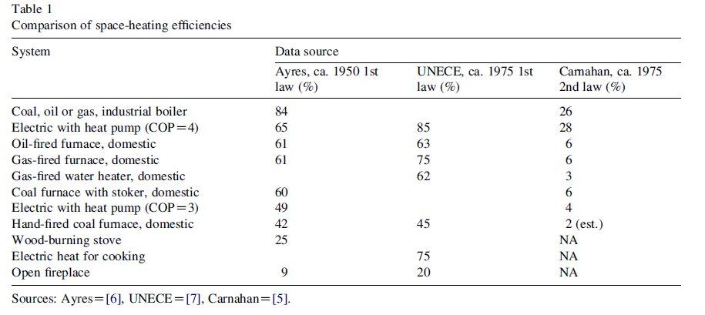
 | Ayres | UNECE | Carnahan
System | 1950 | 1975 | 1975
Coal, oil or gas, industrial boiler | 0.84 |  | 0.26
Electric with heat pump (COP = 4) | 0.65 | 0.85 | 0.28
Oil-fired furnace, domestic | 0.61 | 0.63 | 0.06
Gas-fired furnace, domestic | 0.61 | 0.75 | 0.06
Gas-fired water heater, domestic |  | 0.62 | 0.03
Coal furnace with stoker, domestic | 0.6 |  | 0.06
Electric with heat pump (COP = 3) | 0.49 |  | 0.04
Hand-fired coal furnace, domestic | 0.42 | 0.45 | 0.02
Wood-burning stove | 0.25
Electric heat for cooking |  | 0.75
Open fireplace | 0.09 | 0.2

PB COMMENTS
Date: 13/07/2021
Country | Energy.type | Last.stage | Method | Machine | Eu.product | Quantity | 1960 | 1961 | 1962 | 1963 | 1964 | 1965 | 1966 | 1967 | 1968 | 1969 | 1970 | 1971 | 1972 | 1973 | 1974 | 1975 | 1976 | 1977 | 1978 | 1979 | 1980 | 1981 | 1982 | 1983 | 1984 | 1985 | 1986 | 1987 | 1988 | 1989 | 1990 | 1991 | 1992 | 1993 | 1994 | 1995 | 1996 | 1997 | 1998 | 1999 | 2000 | 2001 | 2002 | 2003 | 2004 | 2005 | 2006 | 2007 | 2008 | 2009 | 2010 | 2011 | 2012 | 2013 | 2014 | 2015 | 2016 | 2017 | 2018 | 2019 | 2020
USA | E | Final | PCM | Gas water heaters | MTH.100.C | eta.fu | 37.08% | 37.82% | 38.56% | 39.30% | 40.04% | 40.78% | 41.52% | 42.26% | 43.00% | 43.74% | 44.48% | 45.22% | 47.40% | 47.66% | 47.86% | 48.19% | 48.26% | 48.30% | 48.59% | 49.97% | 51.43% | 52.55% | 53.74% | 54.93% | 56.38% | 57.29% | 58.21% | 59.13% | 60.04% | 60.96% | 61.87% | 62.79% | 63.71% | 64.62% | 65.54% | 66.45% | 67.37% | 68.29% | 69.20% | 70.12% | 71.03% | 71.95% | 72.87% | 73.78% | 74.70% | 75.61% | 76.53% | 77.45% | 78.36% | 79.28% | 79.94% | 80.61% | 81.27% | 81.94% | 82.60% | 83.27% | 83.93% | 84.60% | 85.26% | 85.93% | 86.59%
GBR | E | Final | PCM | Gas water heaters | MTH.100.C | eta.fu | 40.93% | 41.74% | 42.55% | 43.35% | 44.16% | 44.97% | 45.77% | 46.58% | 47.39% | 48.19% | 49.00% | 49.81% | 50.61% | 51.42% | 52.23% | 53.03% | 53.84% | 54.65% | 55.45% | 56.26% | 57.07% | 57.87% | 58.68% | 59.49% | 60.29% | 61.10% | 61.91% | 62.71% | 63.52% | 64.32% | 65.13% | 65.94% | 66.74% | 67.55% | 68.36% | 69.16% | 69.97% | 70.78% | 71.58% | 72.39% | 73.20% | 74.00% | 74.81% | 75.62% | 76.42% | 77.23% | 78.04% | 78.84% | 79.65% | 80.54% | 82.33% | 82.48% | 82.93% | 83.37% | 83.82% | 84.27% | 84.71% | 85.16% | 85.61% | 86.05% | 86.50%
NLD | E | Final | PCM | Gas water heaters | MTH.100.C | eta.fu | 53.65% | 54.74% | 55.84% | 56.94% | 58.03% | 59.13% | 60.23% | 61.32% | 62.42% | 63.52% | 64.61% | 65.71% | 66.81% | 67.90% | 69.00% | 70.10% | 71.19% | 72.29% | 73.39% | 74.48% | 75.58% | 77.56% | 77.78% | 79.61% | 80.34% | 81.27% | 81.66% | 81.80% | 83.02% | 83.13% | 85.57% | 88.02% | 90.62% | 90.82% | 90.84% | 91.92% | 93.29% | 94.03% | 96.24% | 97.17% | 98.82% | 99.13% | 100.24% | 100.37% | 102.17% | 101.92% | 102.74% | 102.74% | 102.74% | 102.74% | 102.74% | 102.74% | 102.74% | 102.74% | 102.74% | 102.74% | 102.74% | 102.74% | 102.74% | 102.74% | 102.74%
WLD | E | Final | PCM | Gas water heaters | MTH.100.C | eta.fu | 37.08% | 37.82% | 38.56% | 39.30% | 40.04% | 40.78% | 41.52% | 42.26% | 43.00% | 43.74% | 44.48% | 45.22% | 47.40% | 47.66% | 47.86% | 48.19% | 48.26% | 48.30% | 48.59% | 49.97% | 51.43% | 52.55% | 53.74% | 54.93% | 56.38% | 57.29% | 58.21% | 59.13% | 60.04% | 60.96% | 61.87% | 62.79% | 63.71% | 64.62% | 65.54% | 66.45% | 67.37% | 68.29% | 69.20% | 70.12% | 71.03% | 71.95% | 72.87% | 73.78% | 74.70% | 75.61% | 76.53% | 77.45% | 78.36% | 79.28% | 79.94% | 80.61% | 81.27% | 81.94% | 82.60% | 83.27% | 83.93% | 84.60% | 85.26% | 85.93% | 86.59%

 |  |  |  |  |  |  |  |  |  |  |  |  |  |  |  |  |  |  |  |  |  | ZM Comments
 |  |  | I think the NLD value is based on HHV. The UK and US values are base don LHV. These are typically 10% difference. So our UK boilers are 92% efficiency which is ~ 103% in netherlands |  |  |  |  |  |  |  |  |  |  |  |  |  |  |  |  |  |  | Weiss states that the etas are in LHV, so left as is for the moment
 |  |  |  | https://adgefficiency.com/energy-basics-hhv-versus-lhv/
 |  |  |  | US EPA uses LHV: https://www3.epa.gov/airtoxics/utility/fnl_biomass_cogen_TSD_04_19_07.pdf

